Cont
AS LHV Group
2020-06-30

LHV Factbook

Table of Contents

LHV Structure and Governance
AS LHV Group Income Statement
AS LHV Group Balance Sheet
AS LHV Group Financial and Operational Ratios
AS LHV Group Quality of Assets
AS LHV Group Capital Adecuacy
AS LHV Pank Income Statement
AS LHV Pank Balance Sheet
AS LHV Pank Financial and Operational Ratios
AS LHV Pank Loans
AS LHV Pank Deposits and Loans received
AS LHV Pank Quality of Assets
AS LHV Pank Capital Adequacy
AS LHV Varahaldus Income Statement
AS LHV Varahaldus Balance Sheet
AS LHV Varahaldus Financial and Operational ratios
AS LHV Varahaldus Assets Under Management
UAB Mokilizingas
Share information
Bond information
Financial Calendar and Contacts

Discontinued operations
Financial information presented in the factbook might not reconcile with the interim report because consisting of discontinued operations. One of the reasons for the difference between the financial results could be the sale of UAB Mokilizingas in Q2 2018.

Str
AS LHV Group
2020-06-30

Overview and Group Structure | back
AS LHV Group is the largest domestic financial group and capital provider in Estonia. LHV was established in 1999 by people with long experience in investing and entrepreneurship. LHV offices for client servicing are located in Tallinn and Tartu and also since March 2018, in London. Over 470 people work in LHV. The main subsidiaries of AS LHV Group are AS LHV Pank and AS LHV Varahaldus. LHV Pank with its subsidiary has about 249,000 customers. Our pension funds have about 195,000 customers. Altogether, LHV Group has more than 377,000 customers.

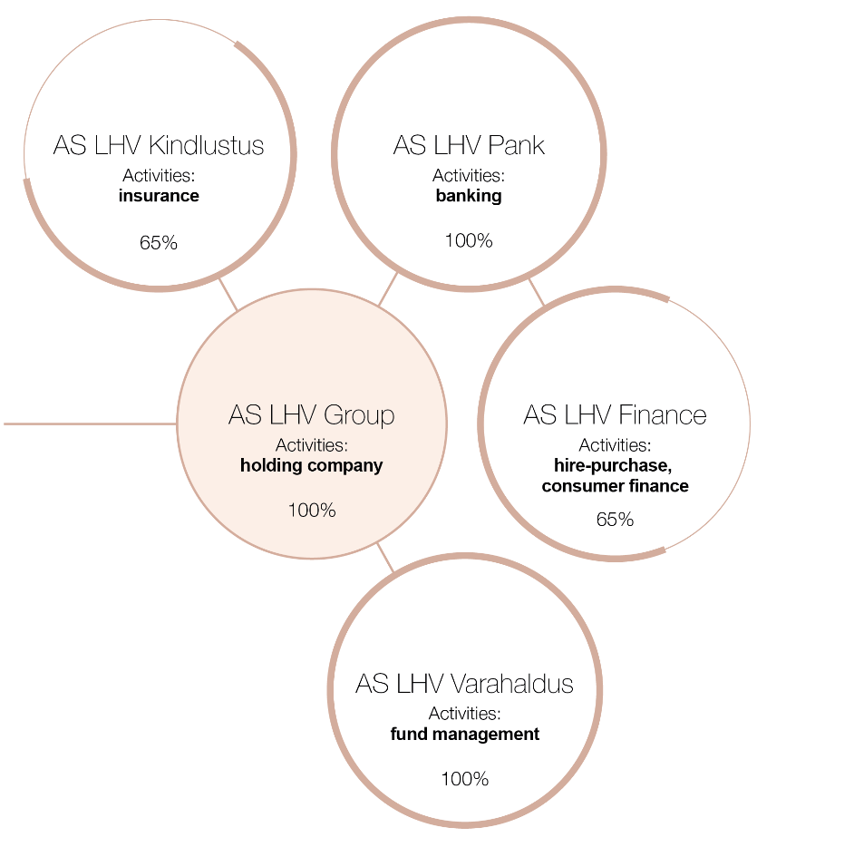

Supervisory Boards and Management Boards of AS LHV Group and its Subsidiaries
AS LHV Group
Supervisory Board: Rain Lõhmus, Raivo Hein, Heldur Meerits, Tiina Mõis, Tauno Tats, Andres Viisemann, Sten Tamkivi
Management Board: Madis Toomsalu
AS LHV Varahaldus
Supervisory Board: Madis Toomsalu, Erki Kilu, Andres Viisemann
Management Board: Vahur Vallistu, Joel Kukemelk
AS LHV Kindlustus
Supervisory Board: Madis Toomsalu, Erki Kilu, Veiko Poolgas, Jaan Koppel
Management Board: Tarmo Koll
AS LHV Pank
Supervisory Board: Madis Toomsalu, Rain Lõhmus, Raivo Hein, Heldur Meerits, Tiina Mõis, Andres Viisemann
Management Board: Erki Kilu, Andres Kitter, Kadri Kiisel, Indrek Nuume, Jüri Heero, Meelis Paakspuu, Martti Singi
AS LHV Finance
Supervisory Board: Erki Kilu, Madis Toomsalu, Veiko Poolgas, Jaan Koppel
Management Board: Kadri Kiisel

gSA
AS LHV Group
2020-06-30

Financial and Operational Ratios, 9 quarters |  |  |  |  |  |  |  |  | back

Financial and operational ratios | Q2-20 | Q1-20 | Q4-19 | Q3-19 | Q2-19 | Q1-19 | Q4-18 | Q3-18 | Q2-18
Return on Equity (ROE) | 5.7% | 14.0% | 11.6% | 16.4% | 18.1% | 12.2% | 16.1% | 15.9% | 27.7%
pre-tax ROE | 6.0% | 19.0% | 12.8% | 18.0% | 19.9% | 17.4% | 17.5% | 17.3% | 29.5%
Return on Assets (ROA) | 0.4% | 0.9% | 0.9% | 1.2% | 1.5% | 1.1% | 1.5% | 1.4% | 2.2%
CFROI | 21.6% | 21.9% | 19.0% | 19.4% | 21.4% | 20.9% | 25.4% | 27.2% | 29.3%
Net Interest Margin (NIM) | 1.8% | 2.1% | 1.8% | 1.8% | 2.3% | 2.6% | 2.4% | 2.1% | 2.2%
Spread | 1.8% | 2.1% | 1.8% | 1.7% | 2.2% | 2.5% | 2.3% | 2.1% | 2.2%
Cost/Income ratio (C/I) | 48.4% | 49.7% | 57.0% | 51.9% | 50.9% | 52.6% | 52.9% | 48.1% | 39.8%
Equity Multiplier (EM) | 17.0 | 15.7 | 14.9 | 14.8 | 13.4 | 11.4 | 11.7 | 12.5 | 13.3
Risk Cost Ratio | 1.7% | 0.2% | 0.4% | 0.0% | 0.3% | 0.4% | 0.2% | 0.9% | 0.9%
Number of Customers (thousands) | 377 | 374 | 366 | 352 | 346 | 342 | 337 | 326 | 321
Number of Employees (full-time) | 467 | 459 | 424 | 406 | 420 | 389 | 372 | 368 | 350

Regulatory ratios and minimums | Q2-20 | Q1-20 | Q4-19 | Q3-19 | Q2-19 | Q1-19 | Q4-18 | Q3-18 | Q2-18
Capital adequacy CT1 | 12.29% | 12.56% | 12.39% | 13.68% | 12.12% | 13.02% | 13.65% | 14.44% | 14.07%
CT1 (regulatory minimum) | 8.45% | 9.45% | 9.67% | 9.67% | 9.67% | 9.67% | 9.67% | 8.79% | 8.79%
Capital adequacy T1 | 14.75% | 14.02% | 13.88% | 15.38% | 13.99% | 13.02% | 13.65% | 14.44% | 14.07%
T1 (regulatory minimum) | 10.09% | 11.09% | 11.30% | 11.30% | 11.30% | 11.30% | 11.30% | 10.41% | 10.41%
Capital adequacy CAD | 18.63% | 18.02% | 17.96% | 20.04% | 19.16% | 18.27% | 19.41% | 18.31% | 18.07%
CAD (regulatory minimum) | 13.33% | 14.33% | 14.31% | 14.31% | 14.31% | 14.31% | 14.31% | 12.93% | 12.93%
Min. req. for own funds and elig. liabilities MREL | 8.42% | 8.40% | 8.94% | 9.33% | 9.95% | 11.12% | 11.78% | 8.69% | 8.53%
MREL (regulatory minimum) | 5.79% | 5.79% | 5.79% | 5.79% | 5.8% | 5.8% | 5.8% | 5.8% | 5.8%
Liquidity coverage ratio LCR | 180% | 153% | 145% | 184% | 202% | 153% | 149% | 131% | 127%
LCR (regulatory minimum) | 100% | 100% | 100% | 100% | 100% | 100% | 100% | 100% | 100%
Net stable funding ratio NSFR | 159% | 157% | 153% | 182% | 175% | 150% | 148% | 155.3% | 154.7%
NSFR (regulatory minimum) | 100% | 100% | 100% | 100% | 100% | 100% | 100% | 100% | 100%

Financial and Operational Ratios, 5 years

Financial and operational ratios | 2019 | 2018 | 2017 | 2016 | 2015
Return on Equity (ROE) | 14.0% | 18.4% | 17.6% | 20.7% | 21.8%
pre-tax ROE | 16.2% | 20.9% | 18.6% | 20.8% | 22.9%
Return on Assets (ROA) | 1.2% | 1.6% | 1.6% | 2.4% | 2.3%
CFROI | 19.0% | 25.4% | 22.6% | 23.9% | 25.9%
Net Interest Margin (NIM) | 2.0% | 2.3% | 2.7% | 3.6% | 3.6%
Spread | 2.0% | 2.3% | 2.6% | 3.5% | 3.5%
Cost/Income ratio (C/I) | 53.2% | 48.3% | 54.6% | 57.2% | 58.7%
Equity Multiplier (EM) | 13.3 | 12.6 | 12.2 | 9.8 | 10.4
Risk Cost Ratio | 0.2% | 0.6% | 0.5% | 0.3% | 0.4%
Number of Customers (thousands) | 366 | 337 | 444 | 398 | 326
Number of Employees (full-time) | 424 | 372 | 365 | 334 | 308

Regulatory ratios and minimums | 2019 | 2018 | 2017 | 2016 | 2015
Capital adequacy CT1 | 12.39% | 13.65% | 14.02% | 15.09% | 15.97%
CT1 (regulatory minimum) | 9.67% | 9.67% | 8.29% | 8.74% | 9.00%
Capital adequacy T1 | 13.88% | 13.65% | 14.02% | 15.09% | 15.97%
T1 (regulatory minimum) | 11.30% | 11.30% | 9.91% | 10.49% | 10.50%
Capital adequacy CAD | 17.96% | 19.41% | 18.30% | 20.66% | 23.36%
CAD (regulatory minimum) | 14.31% | 14.31% | 12.43% | 13.39% | 14.00%
Min. req. for own funds and elig. liabilities MREL | 8.94% | 11.78% | 7.91% | 12.67% | 15.09%
MREL (regulatory minimum) | 5.79% | 5.79%
Liquidity coverage ratio LCR | 145% | 149% | 121% | 222% | 272%
LCR (regulatory minimum) | 100% | 100% | 100% | 100% | 100%
Net stable funding ratio NSFR | 153% | 148% | 140.80%
NSFR (regulatory minimum) | 100% | 100%

Return on Equity (ROE)
net profit (attributable to the owners of the parent) /
average equity (attributable to the owners of the parent) * 100
pre-tax ROE
profit before taxes (attributable to the owners of the parent) /
average equity (attributable to the owners of the parent) * 100
Return on Assets (ROA)
net profit / average assets * 100
CFROI
operating profit / capital (average) * 100
Net Interest Margin (NIM)
net interest income / average interest earning assets * 100
Spread
yield on interest earning assets - cost of interest bearing liabilities
Cost/Income ratio (C/I)
total operating expenses / total income* 100
Equity Multiplier (EM)
average assets/ average equity (attributable to the owners of the parent)
Minimum Requirement for own funds and Eligible Liabilities
according to the definitions of the Basel Committee
Risk Cost Ratio
loan loss / average loan portfolio
Liquidity Coverage Ratio (LCR)
according to the definitions of the Basel Committee

Omakapitali tootlus
 | 1

*Balance Sheet items used for quarterly ratio calculations have been calculated as an average of the previous quarter and the reporting quarter balances. Balance Sheet items used for annual ratio calculations have been calculated as an average of the previous year-end and reporting year-end balances. Ratios containing Profit and Loss Statement items have been calculated based on actual data. For annualization purposes quarterly data has been multiplied by 4.

pSA
AS LHV Pank
2020-06-30

Financial and Operational Ratios, 9 quarters |  |  |  |  |  |  |  |  | back

Financial and operational ratios | Q2-20 | Q1-20 | Q4-19 | Q3-19 | Q2-19 | Q1-19 | Q4-18 | Q3-18 | Q2-18
Return on Equity (ROE) | 4.8% | 18.0% | 12.7% | 16.0% | 16.1% | 12.5% | 15.5% | 13.7% | 17.2%
pre-tax ROE | 5.2% | 21.9% | 14.2% | 18.0% | 18.2% | 15.8% | 17.3% | 15.5% | 19.5%
Return on Assets (ROA) | 0.3% | 1.0% | 0.8% | 1.0% | 1.1% | 1.0% | 1.2% | 1.0% | 1.1%
Net Interest Margin (NIM) | 1.8% | 2.1% | 1.8% | 1.8% | 2.3% | 2.6% | 2.4% | 2.2% | 2.1%
Spread | 1.8% | 2.0% | 1.8% | 1.8% | 2.3% | 2.6% | 2.4% | 2.2% | 2.1%
Cost/Income ratio (C/I) | 45.3% | 45.9% | 55.1% | 52.0% | 51.5% | 54.0% | 52.5% | 48.4% | 46.0%
Equity Multiplier (EM) | 19.4 | 18.2 | 18.7 | 18.2 | 15.6 | 13.9 | 14.6 | 15.5 | 16.4
Risk Cost Ratio | 1.7% | 0.2% | 0.4% | 0.0% | 0.3% | 0.4% | 0.2% | 0.9% | 0.8%
Number of Customers (thous.) | 249 | 243 | 230 | 217 | 208 | 200 | 192 | 184 | 176
Number of Employees (full-time) | 435 | 431 | 396 | 378 | 391 | 362 | 345 | 343 | 326
Customers assets (EURm) | 1,665 | 1,417 | 1,556 | 1,451 | 1,421 | 1,331 | 1,485 | 1,411 | 1,459
Portfolio Management AUM (EURm) | 131 | 116 | 117 | 109 | 105 | 104 | 93 | 89 | 90
Customers holding bank cards (thous.) | 111 | 108 | 102 | 96 | 91 | 87 | 82 | 79 | 75
Number of ATM-s | 125 | 125 | 125 | 125 | 25 | 25 | 21 | 20 | 20
Number of ACQ merchants | 2,917 | 2,789 | 2,664 | 2,569 | 2,582 | 2,302 | 2,222 | 2,078 | 1,938
SEPA outgoing payments (thous.) | 4,815 | 4,243 | 3,961 | 3,641 | 3,232 | 2,721 | 2,783 | 2,524 | 2,431

Regulatory ratios and minimums | Q2-20 | Q1-20 | Q4-19 | Q3-19 | Q2-19 | Q1-19 | Q4-18 | Q3-18 | Q2-18
Capital adequacy CT1 | 12.12% | 12.35% | 12.19% | 12.28% | 12.70% | 12.72% | 13.56% | 14.40% | 14.22%
CT1 (regulatory minimum) | 8.45% | 9.45% | 9.67% | 9.67% | 9.67% | 9.67% | 9.67% | 8.79% | 8.79%
...
Regulatory ratios and minimums | 2019 | 2018 | 2017 | 2016 | 2015
T1 (regulatory minimum) | 11.30% | 11.30% | 9.91% | 10.49% | 10.50%
Capital adequacy CAD | 17.61% | 17.14% | 16.24% | 18.15% | 18.68%
CAD (regulatory minimum) | 14.31% | 14.31% | 12.43% | 13.39% | 14.00%
Min. req. for own funds and elig. liabilities MREL | 8.51% | 10.10% | 6.73% | 10.54% | 12.04%
MREL (regulatory minimum) | 5.79% | 5.79%
Liquidity coverage ratio LCR (Bank solo) | 143% | 144% | 121% | 208% | 271.62%
Omakapitali tootlus
 | 1
LCR (regulatory minimum) | 100% | 100% | 100% | 100% | 100%
Net stable funding ratio NSFR (Bank solo) | 157% | 153% | 140%
NSFR (regulatory minimum) | 100% | 100%

Return on Equity (ROE)
net profit (attributable to the owners of the parent) /
average equity (attributable to the owners of the parent) * 100
pre-tax ROE
profit before taxes (attributable to the owners of the parent) /
average equity (attributable to the owners of the parent) * 100
Return on Assets (ROA)
net profit / average assets * 100
Net Interest Margin (NIM)
net interest income / average interest earning assets * 100
Spread
yield on interest-bearing assets - cost of interest bearing liabilities
Cost/Income ratio (C/I)
total operating expenses / total income* 100
Equity Multiplier (EM)
average assets / average equity (attributable to the owners of the parent)
Risk Cost Ratio
loan loss / average loan portfolio
Liquidity Coverage Ratio (LCR)
according to the definitions of the Basel Committee
Customers holding bank cards: both private and corporate customers
SEPA outgoing payments: private and corporate customers (incl payment intermediaries)

pL
...
EURt | 2019-12-31 | 2018-12-31 | 2017-12-31 | 2016-12-31 | 2015-12-31
Credit card loans | 7,665 | 6,853 | 6,010 | 4,918 | 3,621
Study loan | 749 | 76 | 0 | 0 | 0
Loans to related companies | 0 | 0 | 36,775 | 30,580 | 33,091
Other loans | 34 | 141 | 82 | 82 | 68
Loan impairments | -6,104 | -10,276 | -6,900 | -3,735 | -2,573
Total loans granted | 1,687,034 | 918,761 | 719,391 | 531,761 | 405,409

Laenude maht

vhSA
...
Financial and Operational Ratios, 5 years

Financial and operational ratios | 2019 | 2018 | 2017 | 2016 | 2015
Return on Equity (ROE) | 21.2% | 30.3% | 31.0% | 40.7% | 51.7%
pre-tax ROE | 24.6% | 35.1% | 36.0% | 40.7% | 51.7%
Return on Assets (ROA) | 19.6% | 27.1% | 27.2% | 35.4% | 44.7%
Cost/Income ratio (C/I) | 47.4% | 41.8% | 50.1% | 53.8% | 52.2%
Number of Pension Fund Customers (thous.) | 200 | 201 | 202 | 205 | 147
Number of Employees (full-time) | 27 | 26 | 22 | 25 | 25
Return on Equity (ROE)
net profit / average equity * 100
pre-tax ROE
profit before taxes / average equity * 100
Return on Assets (ROA)
net profit / average assets * 100
Cost/Income ratio (C/I)
total operating expenses / total income* 100

Omakapitali tootlus
 | 1

mY
...
Financial and Operational Ratios, 5 years

 | 2019 | 2018 | 2017 | 2016 | 2015
Return on Equity (ROE) |  |  | 24.8% | 31.6% | 24.9%
Return on Assets (ROA) |  |  | 2.1% | 2.3% | 1.5%
Net Interest Margin (NIM) |  |  | 11.0% | 13.1% | 13.2%
Cost/Income ratio (C/I) |  |  | 71.7% | 68.7% | 62.6%
Risk Cost Ratio |  |  | -1.0% | -0.7% | 1.9%
Number of Customers (thousands) |  |  | 127 | 94 | 96
Number of Employees (full-time) |  |  | 54 | 60 | 56
Return on Equity (ROE)
net profit (attributable to the owners of the parent) /
average equity (attributable to the owners of the parent) * 100
Return on Assets (ROA)
net profit / average assets * 100
Net Interest Margin (NIM)
net interest income / average interest earning assets * 100
Cost/Income ratio (C/I)
total operating expenses / total income* 100
Risk Cost Ratio
loan loss / average loan portfolio

Omakapitali tootlus
 | 1

* The financial results of UAB Mokilizingas are reflected in consolidated results of AS LHV Group until April 2018 (incl.)

Share
...
 | 2019 | 2018 | 2017 | 2016 | 2015
DPS (EUR) | 0.21 | 0.16 | 0.15
Presumed net dividend per share (EUR)* | 0.22 | 0.22 | 0.16 | 0.14 | 0.12
Number of shareholders | 6,950 | 5,615 | 5,281 | 5,170 | 271
Shares traded during the period (thousands) | 1,132 | 1,109 | 1,196 | 1,117
Number of trades | 5,995 | 4,492 | 5,362 | 4,661
Trading volume (EURt) | 12,892 | 12,122 | 12,236 | 8,655
Weighted average share price of the period | 11.39 | 10.93 | 10.23 | 7.75
Index OMX Tallinn | 1,280 | 1,163 | 1,242 | 1,076 | 899
Index OMX Baltic | 993 | 874 | 944 | 788 | 648
Shares held by members of the Management Board and Supervisory Board | 49% | 50% | 52% | 52% | 57%
EPS
net profit (attributable to the owners of the parent) / number of shares
P/E
latest share price / earnings per share
P/B
latest share price/ book value per share
DPS
net dividend paid during the period/ number of the shares at that moment
Presumed net dividend per share (EUR)*
Based on the Dividend Policy approved by the General Meeting of LHV Group on 29 March 2017. The annual General Meeting of shareholders decides dividend payments and does not have to take into account the Dividend Policy
Weighted average share price of the period:
Trading volume of the period / number of shares traded during the period
Stock information is obtained from Nasdaq Baltic webpage:
http://www.nasdaqbaltic.com/market/

TOP 10 shareholders as of 31.03.2020

Name of the shareholder | Participation |  | Number of shares
AS Lõhmus Holdings | 12.7% |  | 3,618,920
Rain Lõhmus | 8.9% |  | 2,538,367
Viisemann Investments AG | 7.7% |  | 2,186,432
Ambient Sound Investments OÜ | 5.8% |  | 1,653,709
OÜ Krenno | 4.3% |  | 1,210,215
AS Genteel | 3.8% |  | 1,082,744
AS Amalfi | 3.6% |  | 1,031,310
...

